general to dos
STOP AND LISTEN TO MUSIC WITHOUT THIS/GO TO A MUSEUM OR LOOK AT/MAKE ART. Its bigger than you.
next steps | notes
Thanks Obama/Panetta | https://www.whitehouse.gov/briefing-room/presidential-actions/2022/05/04/executive-order-on-enhancing-the-national-quantum-initiative-advisory-committee/ | https://www.presidency.ucsb.edu/documents/executive-order-13885-establishing-the-national-quantum-initiative-advisory-committee
Request Data from Outlook | skype data/onedrive/teams data requested-check back on security dashboard
review govt sites/foais to see if i can find project name | https://publicaccess.dtic.mil/search/#/pubdefense/simpleSearch | Even if unclassified embargo of 1 year....
set up dedicated email | aol? hotmail? hmmm????
get a po box
How to word FOIA's | FOIA.gov - Freedom of Information Act: How to Make a FOIA Request
Setup Dedicated Contact List | do not import other vcfs/csvs
Consolidate all Data on cloud | Grindr,Textnow, google, Amazon, Tmobile, ATT,Dropbox, Box
Data Requests to be made | Tmobile/Spectrum
Get into old gmail accounts
box accounts
Dropbox account
Tmobile Data Reqiuest | Request ID: J3J8SL53HG (request Wyoming)/Request ID: GNZAPRSWZB (request California) /Request ID: Z89MCLJASY (New York-sent via electronic method all rest snail mail)
attorneys | via justia.com `
Instagram | Requested data information/impersonation accounts that might be associated with brandonlowder1@gmail.com. Future comms to be sent to lowderb16@gmail.com
Friends/Family/Previous LL's/Ex-Collegues | dont be jumpy with others. This is last step
Metropolis Document
Nord Vpn
Penguin Random House FOIA.
Get HVAC Unit Serial Number | From Dads House
 | https://www.iarpa.gov/research-programs/haystac
Open List of Grant Numbers for DOD Research
Can Undergrads access list of proposals? | Anyone with a CalNet ID may log in to Phoebe and have an account automatically created with limited permissions. If the account can't be created for any reason, a page with instructions to contact phoebe-help@lists.berkeley.edu will come up.

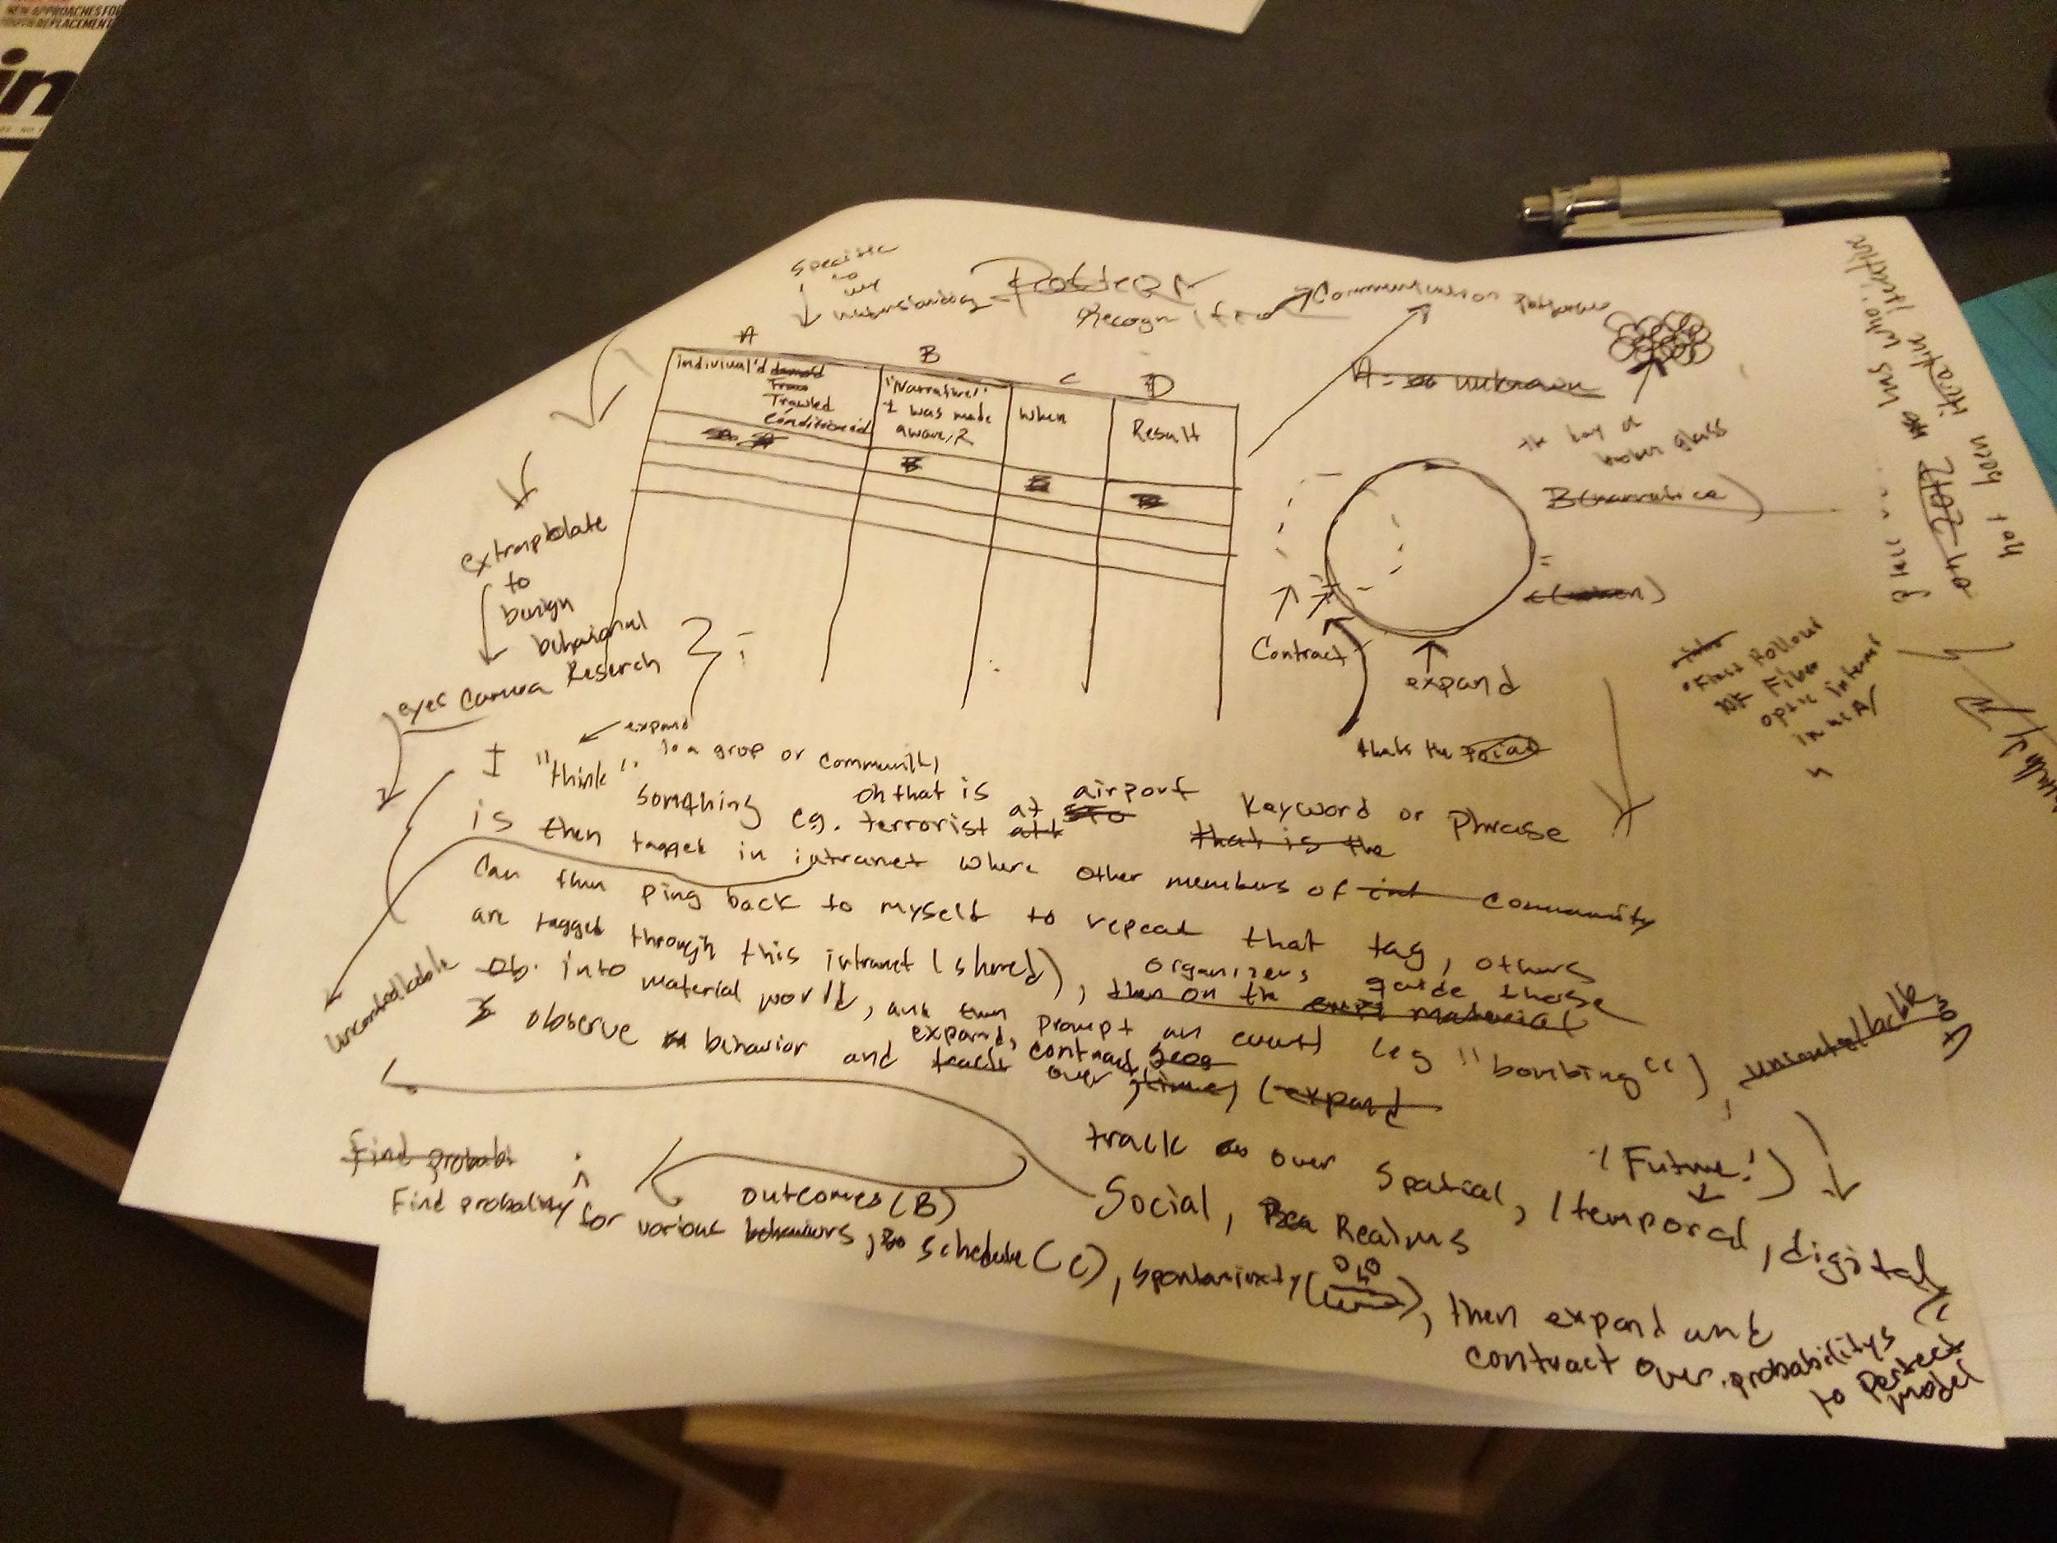

Skadoodle?

